Introduction
The calculations relate to operational carbon emissions from private car.
Cars typically account for around 70% of surface transpot emissions in cities.
Introduction - Carbon Reduction Strategy Support Tool

Climate change and the need for dramatic carbon reduction from transport related activity is a particular aspect of city planning that has become increasingly important in policy decision making in recent years. The transition to achieve net-zero carbon targets by 2050 requires radical and urgent change to existing policies. However, cities often lack the knowledge and expertise to understand how different scale and timings of policy strategies impact on carbon emissions…….especially when dealing with such long timescales up to 2050. The Carbon Reduction Strategy Support Tool has been developed by VECTOS/SLR within the SUMP-PLUS project to fill that knowledge gap and assist cities in identifying a suitable mix of high-level policy strategies, and their timings, that will achieve carbon targets while also respecting and supporting the other objectives that cities are looking to deliver. The tool provides a ‘backcasting’ frame to identify strategies needed to reach the desired future, rather than ‘forecasting’ from the current situation. The tool is useful for cities as a stakeholder and political engagement tool to help inform workshop discussions and decision making when developing their long-term policy strategies and defining transition pathways to net-zero carbon.

Further Information
Developed by: Steve Wright - Principal Researcher at VECTOS / SLR steve.wright@vectos.eu Acknowledgement: This Tool was developed within the H2020 CIVITAS SUMP-PLUS Project Access: Free to use (please acknowledge the tool developer as VECTOS/SLR). | https://vectos.co.uk/

 | https://sump-plus.eu/

Background
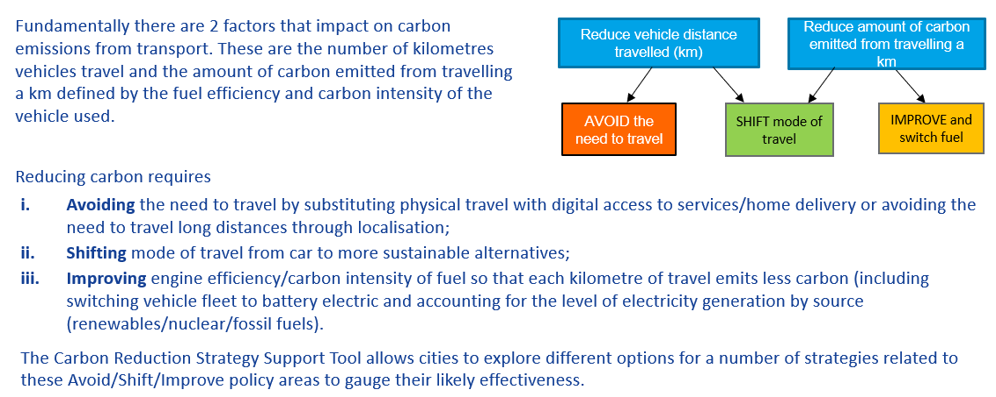
Background to Avoid-Shift-Improve

1 StrategyMix for CarbonTargets
Policy strategy assessment to establish strategy mix that achieves carbon targets |  |  | Throughout this tool, turquoise cells indicate where user inputs are required
To enable cities to assess the carbon reduction impact of different strategy mix choices, a support tool has been developed that allows the user to vary the scale of input/uptake of a particular strategy in order to better understand the impact this has on overall carbon emissions, how it contributes to carbon reduction targets, and its relative significance in comparison to other strategy choices. |  |  |  | The tool helps users gauge the potential contribution to carbon reduction from different strategies related to avoid, shift and improve policies. This enables more informed choices on the mix of policy strategies, also taking account of effects from the timings of these, that will deliver the carbon reductions required to meet the targets at key points in time up to 2050. | For each strategy, the user can select from a range of uptake scenarios (%-point increases) or improvement scenarios (% change) that they wish to explore.
 |  |  |  |  |  |  | Please provide the year by which the strategy will start to take effect and the year by which it will provide its full effect. The growth in take-up is assumed to be linear between the start and full effect years. This information is used to estimate the carbon emissions reduction in each year between 2021 and 2050.
 |  |  |  | INPUT PARAMETERS |  | ä
 | 2050 STRATEGY MIX impacts |  |  | Background data
 |  |  |  | Enter % change in car surface transport carbon emission from 1990 to 2019 |  | -5%
 |  | SELECT YEAR TO VIEW RESULTS BY THAT DATE | $
 |  |  |  | Enter forecast % change in population from 2020 to 2050 |  | 10%
2030 'Fit for 55' target (55% reduction on 1990 levels)
2050 'Green Deal' target (90% reduction on 1990 levels)
AVOID
SHIFT
IMPROVE
 |  |  |  | What type of area best describes your city |  | Urban
 |  |  |  |  |  |  | ä | ä
 |  |  |  | What is the % mode share of car driver trips (all trips) |  | 50% | Date by which strategy will start to take effect | Date by which strategy will take full effect

 |  |  |  | What is the % mode share of car driver trips (commuter trips) |  | 60%

 |  |  |  | AVOID strategies
 |  |  |  | Enter the % point increase in working from home by year of full effect (from 2019 base case) |  | 20% | 2021 | 2050

 |  |  |  | Enter the % point increase in personal trips (e.g. banking, health) that are digitised or become telephone consultation by year of full effect (from 2019 base) |  | 20% | 2023 | 2050

 |  |  |  | Enter the % point increase in shopping delivered to the home by year of full effect(from 2019 base) |  | 30% | 2025 | 2050

 |  |  |  | Enter the % point increase of trips for shopping, leisure, personal business and education localised within a 15 minute walk from home by year of full effect (from 2019 base) |  | 30% | 2030 | 2050

 |  |  |  | SHIFT strategy
 |  |  |  | Trips < 3km: Enter the % point shift from car driver mode share to alternative modes by year of full effect (from 2019 base case) |  | 20% | 2021 | 2050

 |  |  |  | Trips 3 to 8km: Enter the % point shift from car driver mode share to alternative modes by year of full effect (from 2019 base case) |  | 20% | 2021 | 2050

 |  |  |  | Trips > 8km: Enter the % point shift from car driver mode share to alternative modes by year of full effect (from 2019 base case) |  | 20% | 2021 | 2050

 |  |  |  | IMPROVE strategy
 |  |  |  | Enter the % of electricy generated from renewables (including nuclear) 2019 base |  | 30%
 |  |  |  | Enter the % of electricy generated from renewables (including nuclear) by year of full effect |  | 90% | 2021 | 2050

 |  |  |  | Enter the % improvement in ICE fuel efficiency of conventional cars on the road by year of full effect (from 2019 base case) - [expected to be 30%] |  | 20% | 2021 | 2037

 |  |  |  | Enter the % improvement in electric battery efficiency by year of full effect (from 2019 base case) - [expected to be 40% by 2050] |  | 20% | 2025 | 2050

 |  |  |  | Electric vehicle takeup by year of full effect |  | 80% | 2023 | 2050

2 Stress Test Strategy Mix
2050 'Green Deal' target (90% reduction on 1990 levels)
AVOID
SHIFT
IMPROVE
Evolution of Carbon Reduction up to 2050
 | Residual emissions | 80% BEV | ICE fuel efficiency@80%BEV | Trips > 8km (car to PT/carpool) | Trips 3-8km (car to cycle/PT) | Trips < 3km (car to walk/cycle) | Localisation | Home delivery | Online / Teleservices | Work from Home | 1990-2020 emissions | Start
1990 | 100.00% | 0.00% | 0.00% | 0.00% | 0.00% | 0.00% | 0.00% | 0.00% | 0.00% | 0.00% |  | 100.00%
2000 | 98.33% | 0.00% | 0.00% | 0.00% | 0.00% | 0.00% | 0.00% | 0.00% | 0.00% | 0.00% |  | 98.33%
2010 | 96.67% | 0.00% | 0.00% | 0.00% | 0.00% | 0.00% | 0.00% | 0.00% | 0.00% | 0.00% |  | 96.67%
2020 | 95.00% | 0.00% | 0.00% | 0.00% | 0.00% | 0.00% | 0.00% | 0.00% | 0.00% | 0.00% | 95.00% | 95.00%
2021 | 93.73% | 0.00% | 0.50% | 0.82% | 0.35% | 0.17% | 0.00% | 0.00% | 0.00% | 0.10% |  | 95.67%
2022 | 92.43% | 0.00% | 1.01% | 1.66% | 0.71% | 0.34% | 0.00% | 0.00% | 0.00% | 0.19% |  | 96.33%
2023 | 90.48% | 0.99% | 1.14% | 2.50% | 1.06% | 0.51% | 0.00% | 0.00% | 0.03% | 0.29% |  | 97.00%
2024 | 88.44% | 2.04% | 1.26% | 3.36% | 1.43% | 0.69% | 0.00% | 0.00% | 0.05% | 0.39% |  | 97.67%
2025 | 86.22% | 3.17% | 1.39% | 4.22% | 1.80% | 0.87% | 0.00% | 0.09% | 0.08% | 0.50% |  | 98.33%
2026 | 83.91% | 4.37% | 1.52% | 5.10% | 2.17% | 1.05% | 0.00% | 0.18% | 0.10% | 0.60% |  | 99.00%
2027 | 81.50% | 5.64% | 1.65% | 5.99% | 2.55% | 1.23% | 0.00% | 0.27% | 0.13% | 0.70% |  | 99.67%
2028 | 78.99% | 6.99% | 1.79% | 6.89% | 2.93% | 1.41% | 0.00% | 0.36% | 0.16% | 0.81% |  | 100.33%
2029 | 76.38% | 8.42% | 1.92% | 7.80% | 3.32% | 1.60% | 0.00% | 0.46% | 0.19% | 0.92% |  | 101.00%
2030 | 73.33% | 9.92% | 2.06% | 8.72% | 3.71% | 1.79% | 0.34% | 0.55% | 0.21% | 1.02% |  | 101.67%
2031 | 70.18% | 11.50% | 2.20% | 9.65% | 4.11% | 1.98% | 0.69% | 0.65% | 0.24% | 1.13% |  | 102.33%
2032 | 66.92% | 13.16% | 2.34% | 10.60% | 4.51% | 2.18% | 1.04% | 0.75% | 0.27% | 1.24% |  | 103.00%
2033 | 63.55% | 14.90% | 2.48% | 11.55% | 4.92% | 2.37% | 1.40% | 0.85% | 0.30% | 1.36% |  | 103.67%
2034 | 60.08% | 16.72% | 2.62% | 12.51% | 5.33% | 2.57% | 1.76% | 0.95% | 0.33% | 1.47% |  | 104.33%
2035 | 56.50% | 18.63% | 2.76% | 13.49% | 5.74% | 2.77% | 2.12% | 1.05% | 0.36% | 1.58% |  | 105.00%
2036 | 52.80% | 20.62% | 2.91% | 14.48% | 6.16% | 2.97% | 2.49% | 1.15% | 0.39% | 1.70% |  | 105.67%
2037 | 49.00% | 22.70% | 3.06% | 15.47% | 6.59% | 3.18% | 2.86% | 1.25% | 0.42% | 1.82% |  | 106.33%
2038 | 45.64% | 24.86% | 2.65% | 16.48% | 7.01% | 3.38% | 3.24% | 1.36% | 0.45% | 1.94% |  | 107.00%
2039 | 42.17% | 27.11% | 2.23% | 17.50% | 7.45% | 3.59% | 3.62% | 1.46% | 0.48% | 2.06% |  | 107.67%
2040 | 38.60% | 29.44% | 1.81% | 18.53% | 7.89% | 3.81% | 4.01% | 1.57% | 0.51% | 2.18% |  | 108.33%
2041 | 36.04% | 30.19% | 1.93% | 19.57% | 8.33% | 4.02% | 4.40% | 1.68% | 0.54% | 2.30% |  | 109.00%
2042 | 33.56% | 30.95% | 1.95% | 20.62% | 8.78% | 4.24% | 4.79% | 1.79% | 0.57% | 2.42% |  | 109.67%
2043 | 31.06% | 31.71% | 1.96% | 21.69% | 9.23% | 4.45% | 5.19% | 1.90% | 0.61% | 2.55% |  | 110.33%
2044 | 28.52% | 32.48% | 1.97% | 22.76% | 9.69% | 4.67% | 5.59% | 2.01% | 0.64% | 2.67% |  | 111.00%
2045 | 25.95% | 33.26% | 1.98% | 23.84% | 10.15% | 4.90% | 6.00% | 2.12% | 0.67% | 2.80% |  | 111.67%
2046 | 23.35% | 34.04% | 1.99% | 24.94% | 10.61% | 5.12% | 6.41% | 2.23% | 0.70% | 2.93% |  | 112.33%
2047 | 20.71% | 34.83% | 2.00% | 26.05% | 11.09% | 5.35% | 6.83% | 2.35% | 0.74% | 3.06% |  | 113.00%
2048 | 18.05% | 35.63% | 2.01% | 27.16% | 11.56% | 5.58% | 7.25% | 2.46% | 0.77% | 3.19% |  | 113.67%
2049 | 15.35% | 36.43% | 2.02% | 28.29% | 12.04% | 5.81% | 7.67% | 2.58% | 0.81% | 3.32% |  | 114.33%
2050 | 12.62% | 37.24% | 2.04% | 29.43% | 12.53% | 6.04% | 8.10% | 2.70% | 0.84% | 3.46% |  | 115.00%
Stress Testing Strategy Mix
To ensure the strategy mix selections are robust/resilient, the user can stress test the choices against alternative futures related to key exogenous factors and trends. If the stress testing reveals the policy mix to be weak in the face of plausible alternative futures then, if possible, the strategy mix inputs should be adjusted to strengthen resilience to change, or the strategy mix should be eliminated.
This worksheet allows the user to ‘stress test’ the effects of moderate to extreme changes in 6 external factors on the carbon impacts of the strategy mix. A slider bar is provided for each factor allowing the impact from changes in the levels of each factor to be explored.

Change in Population |  | Input: population change 2020 to 2050 | 10%
Lower | Higher | Stress test: population change 2020 to 2050 | 20.0%

Speed of Renewables Transition |  | Input: renewables transition end year | 2050
Slower | Faster | Stress test: renewables transition end year | 2050

Speed of electric vehicles Transition |  | Input: electric vehicles uptake end year | 2050
Slower | Faster | Stress test: electric vehicles uptake end year | 2040

Speed of societal change to digital access |  | Input: societal change to digital access (full effect) | 2050
Slower | Faster | Stress test: digital access end year (full effect) | 2050

 |  |  |  | 87% BEV uptake is required by 2050 to reach Green Deal 90% carbon reduction target

2030 'Fit for 55' target (55% reduction on 1990 levels)
AVOID
SHIFT
IMPROVE
Cumulative carbon emissions
 | Cumulative emissions estimated for selected policy mix | Cumulative emissions based on 2020 levels with no improvement (do nothing scenario) | Cumulative emissions target to remain within 1.5 degrees celcius temperature rise
2020 | 1.0 | 1.0 | 1.0
2021 | 2.0 | 2.0 | 1.9
2022 | 3.0 | 3.0 | 2.8
2023 | 3.9 | 4.0 | 3.7
2024 | 4.8 | 5.1 | 4.5
2025 | 5.8 | 6.1 | 5.2
2026 | 6.6 | 7.1 | 5.9
2027 | 7.5 | 8.2 | 6.5
2028 | 8.3 | 9.3 | 7.1
2029 | 9.1 | 10.3 | 7.6
2030 | 9.9 | 11.4 | 8.1
2031 | 10.6 | 12.5 | 8.6
2032 | 11.3 | 13.5 | 9.0
2033 | 12.0 | 14.6 | 9.4
2034 | 12.6 | 15.7 | 9.8
2035 | 13.2 | 16.8 | 10.2
2036 | 13.8 | 18.0 | 10.6
2037 | 14.3 | 19.1 | 10.9
2038 | 14.8 | 20.2 | 11.2
2039 | 15.2 | 21.3 | 11.5
2040 | 15.6 | 22.5 | 11.8
2041 | 16.0 | 23.6 | 12.1
2042 | 16.4 | 24.8 | 12.4
2043 | 16.7 | 25.9 | 12.6
2044 | 17.0 | 27.1 | 12.8
2045 | 17.3 | 28.3 | 13.0
2046 | 17.5 | 29.5 | 13.2
2047 | 17.7 | 30.7 | 13.3
2048 | 17.9 | 31.8 | 13.5
2049 | 18.1 | 33.1 | 13.6
2050
 |  | Input: electric vehicles uptake start year | 2023
Cost of petrol / diesel |  | Stress test: electric vehicles uptake start year | 2023
Lower | Higher
 |  | Input: shift from car to alternative modes | 20%
 |  | Stress test: shift from car to alternative modes (adjustment factor-applied only to petrol/diesel cars) | 0%

 |  | Input: electric vehicles uptake start year | 2023
Cost of electricity |  | Stress test: electric vehicles uptake start year | 2023
Lower | Higher
 |  | Input: shift from car to alternative modes | 20%
 |  | Stress test: shift from car to alternative modes (adjustment factor - applied only to electric cars) | 0%

 |  |  |  | Even with 100% BEV uptake by 2030, the Fit for 55 carbon reduction target will not be reached

3 Adjust Strategy Timings
Worksheet 3: Adjust Strategy Timings
This worksheet allows the user to visualise the effects of their strategy choices (levels of uptake/improvement and timings of implementation) on carbon reduction over time between 2020 and 2050. The two diagrams output in this worksheet, viewed together, can be helpful in ascertaining the optimal timings of strategy delivery to check that intermediate targets and milestones are being met and that cumulative emissions are within the prescribed targets needed to limit temperature rises to 1.5 degrees C. The information in these charts can highlight the need to bring forward the commencement of a particular strategy, or the need for it to take full effect sooner. This information helps establish the timings for policy delivery needed to meet the expected targets up to and including 2050.
 |  |  |  |  |  |  | If the carbon rduction impacts do not ocurr soon enough to meet the target lines, then there is the need to bring forward the policy strategy implementation. This can be done by adjusting the start or full effect timings in the cells below. |  | The blue line on the chart below represents the cumulative emissions estimated for the selected strategy mix inputs. The red dashed line reflects the do-nothing scenario and shows cumulative emissions if no improvements were made compared to 2020 rates of emissions (i.e., emissions remain at 2020 levels until 2050 and are only affected by changes in population). The green dashed line reflects the cumulative emissions limit if global temperatures are to remain within a 1.5 degrees C temperature rise (i.e., achieving the ‘Fit for 55’ target by 2030 and Green Deal target of 90% reduction in GHG emissions by 2050 compared to 1990 levels). In this chart the cumulative emissions are indexed to the 2020 values of emissions as a % of 1990 levels.
The dashed line in the chart below shows the necessary reduction in carbon for each year to remain on target to achieve the ‘Fit for 55’ target by 2030 and Green Deal target of 90% reduction in GHG emissions by 2050 compared to 1990 levels. If the dashed line is not reached by the strategy selections, then the user is offered the possibility to adjust the implementation timings for the various strategies. This allows the user to understand not only the level of uptake/improvement for the strategy, but also the timings for when the strategy should commence and when it is required to take full effect.
 |  |  |  |  |  |  | ä | ä
Evolution of Carbon Reduction up to 2050
 | Residual emissions | 80% BEV | ICE fuel efficiency@80%BEV | Trips > 8km (car to PT/carpool) | Trips 3-8km (car to cycle/PT) | Trips < 3km (car to walk/cycle) | Localisation | Home delivery | Online / Teleservices | Work from Home | 1990-2020 emissions | Start
1990 | 100.00% | 0.00% | 0.00% | 0.00% | 0.00% | 0.00% | 0.00% | 0.00% | 0.00% | 0.00% |  | 100.00%
2000 | 98.33% | 0.00% | 0.00% | 0.00% | 0.00% | 0.00% | 0.00% | 0.00% | 0.00% | 0.00% |  | 98.33%
2010 | 96.67% | 0.00% | 0.00% | 0.00% | 0.00% | 0.00% | 0.00% | 0.00% | 0.00% | 0.00% |  | 96.67%
2020 | 95.00% | 0.00% | 0.00% | 0.00% | 0.00% | 0.00% | 0.00% | 0.00% | 0.00% | 0.00% | 95.00% | 95.00%
2021 | 92.13% | 0.00% | 0.50% | 1.64% | 0.35% | 0.17% | 0.45% | 0.00% | 0.00% | 0.10% |  | 95.33%
2022 | 89.23% | 0.00% | 1.00% | 3.29% | 0.70% | 0.34% | 0.91% | 0.00% | 0.00% | 0.19% |  | 95.67%
2023 | 85.70% | 0.98% | 1.13% | 4.95% | 1.05% | 0.51% | 1.36% | 0.00% | 0.03% | 0.29% |  | 96.00%
2024 | 82.09% | 2.01% | 1.25% | 6.63% | 1.41% | 0.68% | 1.82% | 0.00% | 0.05% | 0.39% |  | 96.33%
2025 | 78.31% | 3.12% | 1.37% | 8.31% | 1.77% | 0.85% | 2.29% | 0.09% | 0.08% | 0.49% |  | 96.67%
2026 | 74.44% | 4.28% | 1.49% | 10.01% | 2.13% | 1.03% | 2.75% | 0.18% | 0.10% | 0.59% |  | 97.00%
2027 | 70.49% | 5.52% | 1.62% | 11.71% | 2.49% | 1.20% | 3.22% | 0.27% | 0.13% | 0.69% |  | 97.33%
2028 | 66.45% | 6.81% | 1.74% | 13.43% | 2.86% | 1.38% | 3.70% | 0.36% | 0.15% | 0.79% |  | 97.67%
2029 | 62.33% | 8.18% | 1.87% | 15.16% | 3.23% | 1.56% | 4.17% | 0.45% | 0.18% | 0.89% |  | 98.00%
2030 | 58.12% | 9.61% | 1.99% | 16.90% | 3.60% | 1.73% | 4.65% | 0.54% | 0.21% | 0.99% |  | 98.33%
2031 | 53.82% | 11.11% | 2.12% | 18.64% | 3.97% | 1.91% | 5.13% | 0.63% | 0.23% | 1.09% |  | 98.67%
2032 | 49.44% | 12.67% | 2.25% | 20.41% | 4.34% | 2.10% | 5.62% | 0.72% | 0.26% | 1.20% |  | 99.00%
2033 | 44.97% | 14.31% | 2.38% | 22.18% | 4.72% | 2.28% | 6.10% | 0.81% | 0.29% | 1.30% |  | 99.33%
2034 | 40.41% | 16.01% | 2.51% | 23.96% | 5.10% | 2.46% | 6.59% | 0.91% | 0.31% | 1.41% |  | 99.67%
2035 | 35.76% | 17.78% | 2.64% | 25.75% | 5.48% | 2.64% | 7.09% | 1.00% | 0.34% | 1.51% |  | 100.00%
2036 | 33.22% | 19.63% | 2.77% | 25.83% | 5.86% | 2.83% | 7.11% | 1.09% | 0.37% | 1.62% |  | 100.33%
2037 | 30.60% | 21.54% | 2.90% | 25.92% | 6.25% | 3.02% | 7.13% | 1.19% | 0.40% | 1.72% |  | 100.67%
2038 | 28.44% | 23.53% | 2.50% | 26.00% | 6.64% | 3.20% | 7.15% | 1.28% | 0.42% | 1.83% |  | 101.00%
2039 | 26.20% | 25.58% | 2.10% | 26.08% | 7.03% | 3.39% | 7.18% | 1.38% | 0.45% | 1.94% |  | 101.33%
2040 | 23.88% | 27.71% | 1.70% | 26.16% | 7.42% | 3.58% | 7.20% | 1.48% | 0.48% | 2.05% |  | 101.67%
2041 | 22.55% | 28.34% | 1.82% | 26.24% | 7.82% | 3.77% | 7.22% | 1.57% | 0.51% | 2.16% |  | 102.00%
2042 | 21.32% | 28.97% | 1.82% | 26.32% | 8.22% | 3.96% | 7.25% | 1.67% | 0.54% | 2.27% |  | 102.33%
2043 | 20.08% | 29.60% | 1.83% | 26.41% | 8.62% | 4.16% | 7.27% | 1.77% | 0.57% | 2.38% |  | 102.67%
2044 | 18.83% | 30.24% | 1.83% | 26.49% | 9.02% | 4.35% | 7.29% | 1.87% | 0.59% | 2.49% |  | 103.00%
2045 | 17.57% | 30.88% | 1.84% | 26.57% | 9.42% | 4.55% | 7.31% | 1.97% | 0.62% | 2.60% |  | 103.33%
2046 | 16.30% | 31.53% | 1.84% | 26.65% | 9.83% | 4.74% | 7.34% | 2.07% | 0.65% | 2.71% |  | 103.67%
2047 | 15.03% | 32.18% | 1.85% | 26.73% | 10.24% | 4.94% | 7.36% | 2.17% | 0.68% | 2.83% |  | 104.00%
2048 | 13.75% | 32.83% | 1.86% | 26.81% | 10.65% | 5.14% | 7.38% | 2.27% | 0.71% | 2.94% |  | 104.33%
2049 | 12.46% | 33.48% | 1.86% | 26.90% | 11.07% | 5.34% | 7.40% | 2.37% | 0.74% | 3.05% |  | 104.67%
2050 | 11.16% | 34.14% | 1.87% | 26.98% | 11.48% | 5.54% | 7.43% | 2.47% | 0.77% | 3.17% |  | 105.00%
Cumulative carbon emissions
 | Cumulative emissions estimated for selected policy mix | Cumulative emissions based on 2020 levels with no improvement (do nothing scenario) | Cumulative emissions target to remain within 1.5 degrees celcius temperature rise
2020 | 1.0 | 1.0 | 1.0
2021 | 2.0 | 2.0 | 1.9
2022 | 2.9 | 3.0 | 2.8
2023 | 3.8 | 4.0 | 3.7
2024 | 4.7 | 5.0 | 4.5
2025 | 5.5 | 6.1 | 5.2
2026 | 6.3 | 7.1 | 5.9
2027 | 7.0 | 8.1 | 6.5
2028 | 7.7 | 9.1 | 7.1
2029 | 8.4 | 10.2 | 7.6
2030 | 9.0 | 11.2 | 8.1
2031 | 9.6 | 12.2 | 8.6
2032 | 10.1 | 13.3 | 9.0
2033 | 10.6 | 14.3 | 9.4
2034 | 11.0 | 15.4 | 9.8
2035 | 11.4 | 16.4 | 10.2
2036 | 11.7 | 17.5 | 10.6
2037 | 12.0 | 18.5 | 10.9
2038 | 12.3 | 19.6 | 11.2
2039 | 12.6 | 20.7 | 11.5
2040 | 12.9 | 21.7 | 11.8
2041 | 13.1 | 22.8 | 12.1
2042 | 13.3 | 23.9 | 12.4
2043 | 13.5 | 25.0 | 12.6
2044 | 13.7 | 26.1 | 12.8
2045 | 13.9 | 27.1 | 13.0
2046 | 14.1 | 28.2 | 13.2
2047 | 14.2 | 29.3 | 13.3
2048 | 14.4 | 30.4 | 13.5
2049 | 14.5 | 31.5 | 13.6
2050
 |  |  |  |  | Date by which strategy will start to take effect | Date by which strategy will take full effect | Adjusted date by which strategy will start to take effect | Adjusted date by which strategy will take full effect

 |  |  | AVOID strategies
 |  |  | % point increase in working from home by year of full effect (from 2019 base) | 20% | 2021 | 2050

 |  |  | % point increase in personal trips (e.g. banking, health) that are digitised or become telephone consultation by year of full effect (from 2019 base) | 20% | 2023 | 2050

 |  |  | % point increase in shopping delivered to the home by year of full effect(from 2019 base) | 30% | 2025 | 2050

 |  |  | % point increase of trips for shopping, leisure, personal business and education localised within a 15 minute walk from home by year of full effect (from 2019 base) | 30% | 2030 | 2050 | 2021 | 2035

 |  |  | SHIFT strategy
 |  |  | Trips < 3km: Enter the % point shift from car driver mode share to alternative modes by year of full effect (from 2019 base case) | 20% | 2021 | 2050

 |  |  | Trips 3 to 8km: Enter the % point shift from car driver mode share to alternative modes by year of full effect (from 2019 base case) | 20% | 2021 | 2050

 |  |  | Trips > 8km: Enter the % point shift from car driver mode share to alternative modes by year of full effect (from 2019 base case) | 20% | 2021 | 2050 |  | 2035

 |  |  | IMPROVE strategy
 |  |  | % of electricy generated from renewables (including nuclear) 2019 base | 30%
 |  |  | % of electricy generated from renewables (including nuclear) by year of full effect | 90% | 2021 | 2050

 |  |  | % improvement in ICE fuel efficiency of conventional cars on the road by year of full effect (from 2019 base case) - [expected to be 30%] | 20% | 2021 | 2037

 |  |  | % improvement in electric battery efficiency by year of full effect (from 2019 base case) - [expected to be 40% by 2050] | 20% | 2025 | 2050

 |  |  | Electric vehicle takeup by year of full effect | 80% | 2023 | 2050 |  | 2040

 | Year | Carbon reduction shortfall (-ve) or surplus (+ve) compared to 'Fit for 55' target and Green Deal target (dashed line in above chart) at each year up to 2050 (expressed as a % of 1990 carbon emissions)

 | 2020 | 0.0%
 | 2021 | -2.1%
 | 2022 | -4.2%
 | 2023 | -5.7%
 | 2024 | -7.1%
 | 2025 | -8.3%
 | 2026 | -9.4%
 | 2027 | -10.5%
 | 2028 | -11.5%
 | 2029 | -12.3%
 | 2030 | -13.1%
 | 2031 | -10.6%
 | 2032 | -7.9%
 | 2033 | -5.2%
 | 2034 | -2.4%
 | 2035 | 0.5%
 | 2036 | 1.3%
 | 2037 | 2.1%
 | 2038 | 2.6%
 | 2039 | 3.1%
 | 2040 | 3.6%
 | 2041 | 3.2%
 | 2042 | 2.7%
 | 2043 | 2.2%
 | 2044 | 1.7%
 | 2045 | 1.2%
 | 2046 | 0.7%
 | 2047 | 0.2%
 | 2048 | -0.2%
 | 2049 | -0.7%
 | 2050 | -1.2%

Configuration Settings
Setting locally relevant parameter values
This file allows users to adjust the default values for a number of parameters used in the tool. This allows more locally relevant values to be defined.
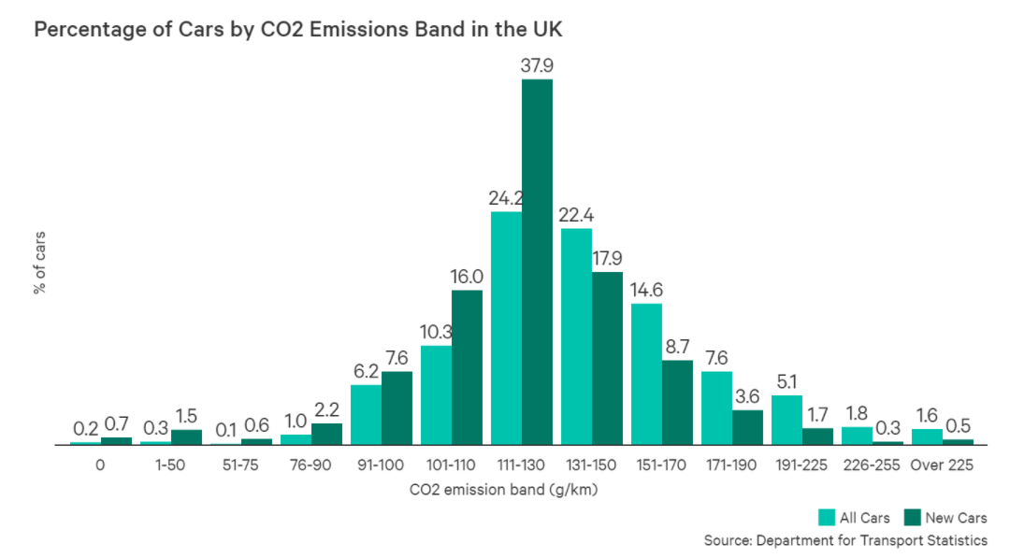
 |  |  | User should define a local value if they do not wish to use the default value. | If you want to use the default value, make sure the local value cell is empty (delete any values previously entered to the relevant local value cell).
 |  |  | ä | ä
 |  |  | Local Value | Default Value | Units | Comment / Source
Base-case CO2 emissions from ICE cars on the road |  | All areas |  | 138 | gCO2/km | The fuel efficiency of the average car on the road in 2020 in the UK was approx. 138 gCO2/km. The average age of cars on the road was 8.5 years. The average fuel efficiency of new conventional cars in 2020 was 122gCO2/km (Department for Transport https://www.nimblefins.co.uk/average-co2-emissions-car-uk#nogo). Carbon dioxide emissions per car steadily declined every year between 2001 and 2018, decreasing by around 2.7 g/km each year. | [

Commuting trip distance as % of total trip distance (within particular area type) |  | Urban |  | 24% |  | Default values derived from Nationl Travel Survey data analysis on trip distance by trip purpose for England. Table NTS9912 provides data for Rural/Urban classification variations.
 |  | Peri-urban |  | 26%
 |  | Rural |  | 28%
% distance by trip purpose
Commuter | 0.2401429337
Business | 0.086706994611
Education | 0.043552243412
Escort Education | 0.019545901203
Shopping | 0.15777374714
Other Escort | 0.082568740627
Personal business | 0.085356063269
Visiting friends at private home | 0.15543905099
Visiting friends elsewhere | 0.048565801385
Entertainment / public activity | 0.061885644094
Sport: participate | 0.018462879568
Personal business trip distance as % of total trip distance (within particular area type) |  | Urban |  | 7%
 |  | Peri-urban |  | 8%
 |  | Rural |  | 10%

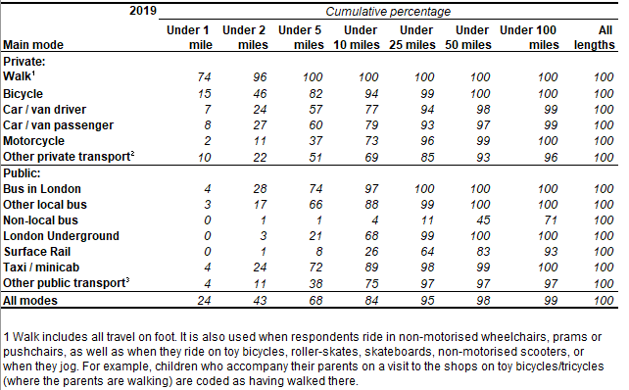
% trips < 1mile which are walking trips
 | % walking trips
Commuter | 74.2
Business | 70.6
Education | 85.3
Escort Education | 79.5
Shopping | 78.1
Other Escort | 57.1
Personal business | 75.9
Visiting friends at private home | 74.1
Visiting friends elsewhere | 85.6
Entertainment / public activity | 70.3
Sport: participate | 67.1
Shopping trip distance as % of total trip distance (within particular area type) |  | Urban |  | 15%
 |  | Peri-urban |  | 16%
 |  | Rural |  | 18%

Shopping, leisure, education, and personal business trip distance as % of total trip distance (within particular area type) |  | Urban |  | 50%
 |  | Peri-urban |  | 45%
 |  | Rural |  | 40%

% of trips within 1km of home that are walked, cycled or use public transport |  | All areas |  | 90% |  | Default value derived from NTS0308 - Average number of trips by trip length and main mode: England 2019 | [

% of all trips by distance band (within particular area type) | <3km | Urban |  | 46% |  | Default values are derived from Table NTS9911 - Average number of trips (trip rates) by trip length, region and Rural-Urban Classification: England, 2018/2019 (Department for Statistics, Nation Travel Survey).
 | 3 - 8 km |  |  | 26%
 | > 8 km |  |  | 28%
 | <3km | Peri-urban |  | 37%
 | 3 - 8 km |  |  | 20%
 | > 8 km |  |  | 43%
 | <3km | Rural |  | 24%
 | 3 - 8 km |  |  | 26%
 | > 8 km |  |  | 50%

Average carbon intensity of renewable electricty generation (wind, solar, hydro, nuclear) |  | All areas |  | 10 | gCO2e/kWh | Carbon intensity of electricity varies greatly depending on fuel source. As a rough guide coal has a carbon intensity of about 1,000g CO2/kWh, oil is 800g CO2/kWh, natural gas is around 500g CO2/kWh, while nuclear, hydro, wind and solar are all less than 50 g CO2/kWh. The carbon intensity of grid electricity is determined by the fuel mix used in generation. e.g. More coal and less use of gas in the grid electricity mix will result in higher carbon intensity of fossil fuel generation. https://ourworldindata.org/grapher/carbon-intensity-electricity

Average carbon intensity of fossil fuel electricty generation (coal, lignite, oil, gas) |  | All areas |  | 690 | gCO2e/kWh

